Screw Template
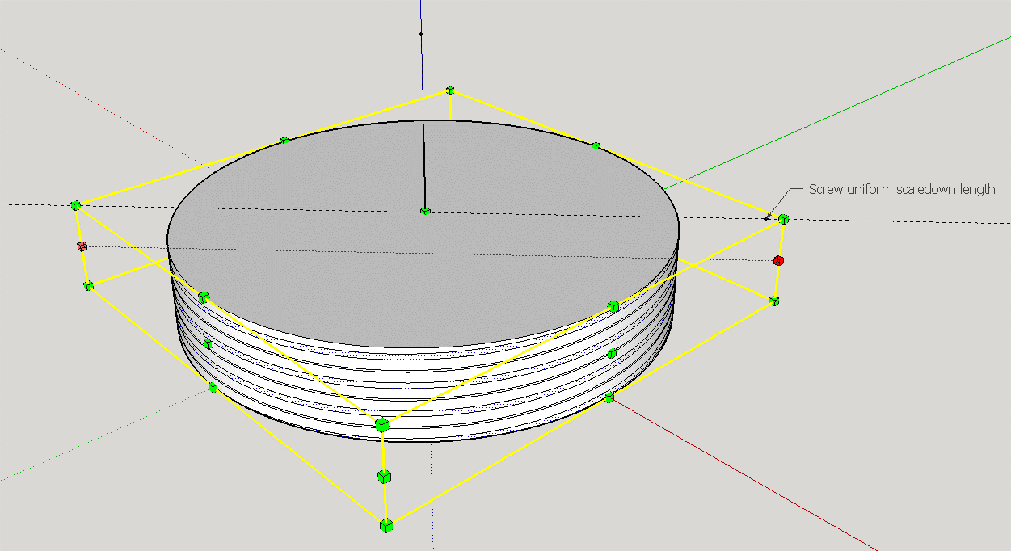
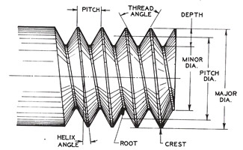
Developed by James Thomas
 | Thread Specs (mm)
 | Description | Variable | Value | Units
 | Crest-Root diametrical tolerance | t_d | 0.20 | mm
 | Crest-Root axial tolerance | t_a | 0.20 | mm
 | Pitch | p | 3.00 | mm
 | Crest thickness | c | 0.20 | mm
 | Root thickness | r | 0.60 | mm
 | Depth of root | d | 1.30 | mm
 | Half angle of thread | θ/2 | 40.24 | °∠

 | Screw dimensions (mm)
 | Description | Variable | Value | Units
 | Size - Outter radius | s | 10.00 | mm
 | Size - Outter diameter | s | 20.00 | mm

 | Nut dimensions (mm)
 | Description | Variable | Value | Units
 | Size - Inner radius | s | 8.90 | mm
 | Size - Inner diameter | s | 17.80 | mm
 | Minimum radius to fit Screw |  | 10.20 | mm
θ₁
θ₂
W
L
H

θ₁
θ₁
p-c
θ₂
r
d
L
 | Thread Helix seperation distances (mm) |  |  |  | L | 1.30 | p | 3
 | Description | Variable | Value | Units | W | 1.5 | c | 0.2
 | Helix #1, top of root | h1 | 0.0000000000 | mm | H | 1.9849433241 | r | 0.6
 | Helix #2, root | h2 | 0.6000000000 | mm | θ1 | 49.08561678 | d | 1.3
 | Helix #3, slope | h3 | 1.1000000000 | mm | θ2 | 40.91438322 | L | 1.6545454545
 | Helix #4, crest | h4 | 0.2000000000 | mm |  |  | θ1 | 49.763641691
 | Screw uniform scaledown length | l_b | 12.303657993 | mm |  |  | θ2 | 80.472716619 | 80.472716619
 | Nut uniform scaleup length | l_n | 14.424978336 | mm

